Heating Values Example
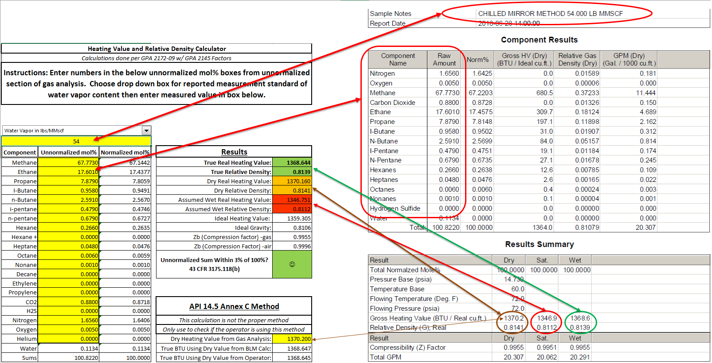

G.C. Fidelity Check
Only Use for Checking Gas Chromatograph Verification
G.C. Verification Fidelity Check
Linear Line on Graph Should Not Be Less Than ~0.99 - If so Likely Issue with Column, Verification Gas, or Detector
$${10}^{X}$$
Fidelity Graph
Molecule | Resp. Factor |  | Log Factor | Mol. Weight | Log Weight | Fidelity Graph
Methane | 4.19500 | -4 | -3.37727 | 16.0430 | 1.205286
Water |  | 1 | #N/A | 18.0153 | 1.255641
Carbon Mon. |  | 1 | #N/A | 28.0100 | 1.447313
Nitrogen |  | 1 | #N/A | 28.0134 | 1.447366
Ethane | 2.83000 | -4 | -3.54821 | 30.0700 | 1.478133
H2S |  | 1 | #N/A | 34.0800 | 1.532500
CO2 |  | 1 | #N/A | 44.0100 | 1.643551
Propane | 2.22100 | -4 | -3.65345 | 44.0970 | 1.644409
Iso-butane |  | 1 | #N/A | 58.1230 | 1.764348
n-butane | 1.85200 | -4 | -3.73236 | 58.1230 | 1.764348
iso-pentane |  | 1 | #N/A | 72.1500 | 1.858236
n-pentane | 1.62200 | -4 | -3.78995 | 72.1500 | 1.858236
n-hexane |  | 1 | #N/A | 86.1770 | 1.935391
n-heptane |  | 1 | #N/A | 100.2040 | 2.000885
n-octane |  | 1 | #N/A | 114.2310 | 2.057784
n-nonane |  | 1 | #N/A | 128.2580 | 2.108084
n-decane |  | 1 | #N/A | 142.2850 | 2.153159

